Introduction
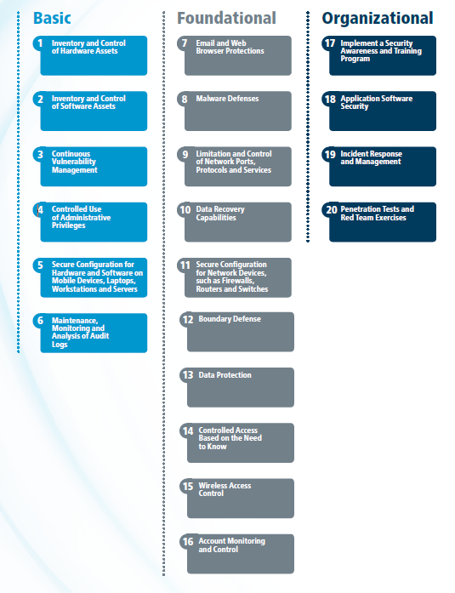
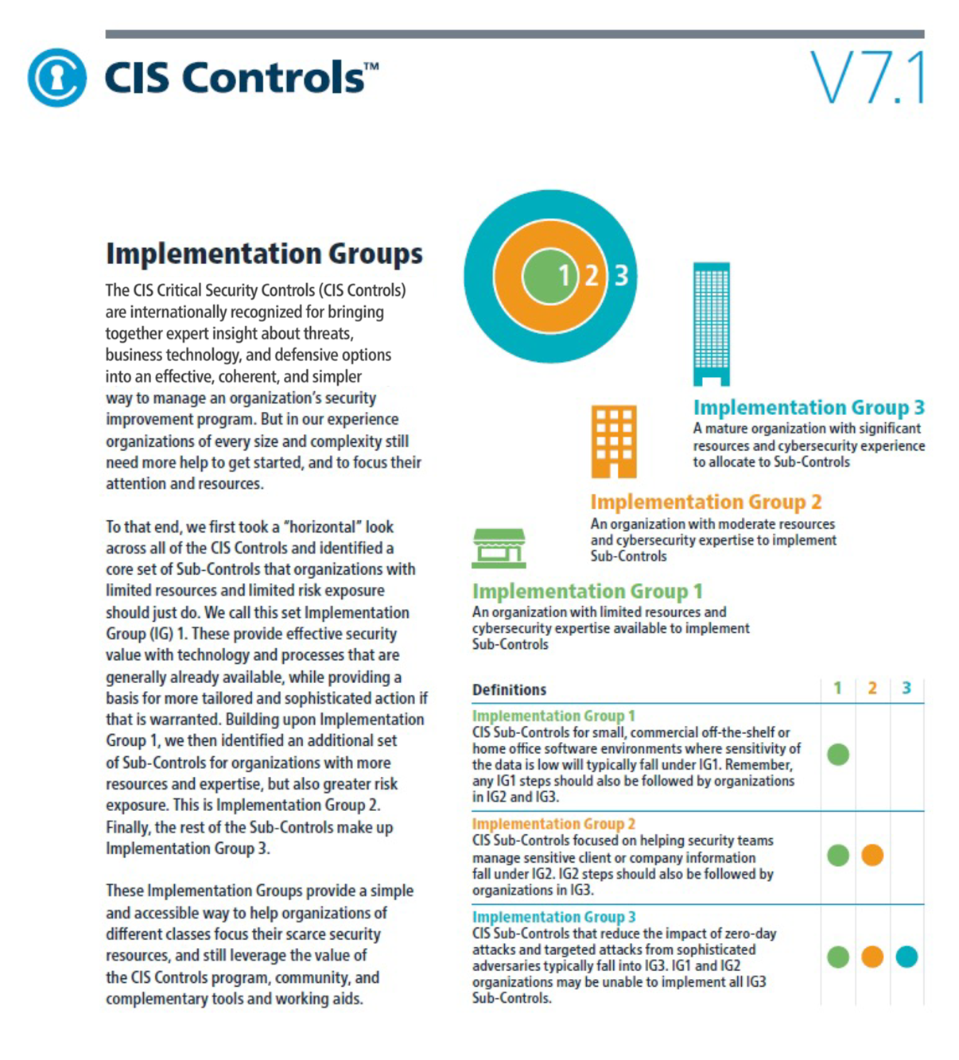

CIS Controls Version 7.1

Download the CIS Controls Version 7 in PDF format contains additional narratives around each CIS Control.
https://www.cisecurity.org/controls/
 | Contact Information
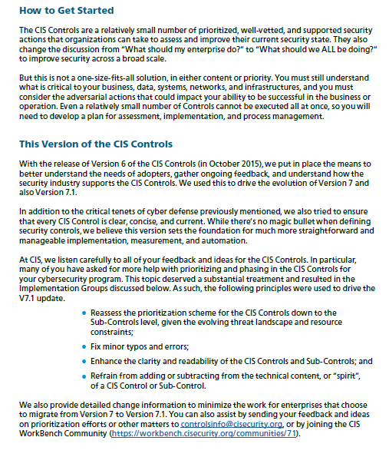
 | CIS
 | 31 Tech Valley Drive
 | East Greenbush, NY 12061
 | 518.266.3460
 | controlsinfo@cisecurity.org

 |  | 

About Implementation Groups
